Pitchfx
Action
b |  | Innings_all
s |  | innings_hit
o |  | players
des |  | miniscoreboard
des_es
event |  | Key variables
tfs
tfs_zulu
player
pitch
url
inning_side
inning
next_
num
score
home_team_runs
away_team_runs
event2
gameday_link
event_es
event_num
play_guid
event2_es

po
des
url
inning_side
inning
next_
num
gameday_link
des_es
event_num
play_guid
catcher

atbat
pitcher | 6-digit code identifying pitcher
batter | 6-digit code identifying hitter
num | At-Bat number
b | Balls
s | Strikes
o | Outs
start_tfs
start_tfs_zulu
stand | Handedness of batter
b_height | Batter height
p_throws | Handedness of pitcher
atbat_des | Detailed description of outcome
atbat_des_es | Detailed description of outcome in Spanish
event | Short description of outcome
score
home_team_runs | Home team runs
away_team_runs | Away team runs
url | url
inning_side | Inning side
inning | Inning
next_
event2
event3
batter_name | Batter name
pitcher_name | Pitcher name
event4
gameday_link | gid
date | date
end_tfs_zulu
event_num
event_es | Short description of outcome in Spanish
play_guid
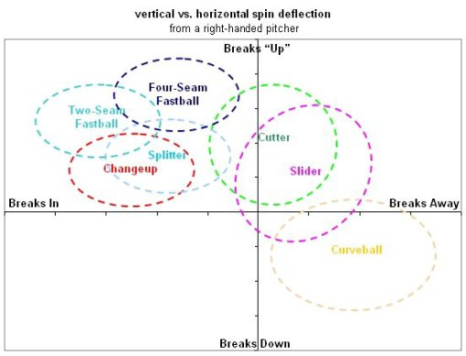
event2_es

pitch
des | Short description of outcome |  | Fastballs
des_es | Short description of outcome in Spanish |  | FA = fastball
id |  |  | FF = four-seam fastball
type | One-character code of pitch outcome |  | FT = two-seam fastball
tfs |  |  | FC = fastball (cutter)
tfs_zulu |  |  | FS / SI / SF = fastball (sinker, split-fingered)
x | Manual horizontal coordinates as crosses plate
y | Manual vertical coordinates as crosses plate |  | Offspeed
sv_id |  |  | SL = slider
start_speed | Speed in MPR at release point |  | CH = changeup
end_speed | Speed in MPR at cross of plate |  | CB / CU = curveball
sz_top | Vertical top of strike zone for current batter |  | KC = knuckle-curve
sz_bot | Vertical bottom top of strike zone for current batter |  | KN = knuckleball
pfx_x | Horizontal movement of pitch |  | EP = eephus
pfx_z | Vertical movement of pitch
px | Horizontal location of pitch when crosses front of HP |  | Other
pz | Vertical location of pitch when crosses front of HP |  | UN / XX = unidentified
x0 | Left position of ball at release point |  | PO / FO = pitch out
y0 | Right position of ball at release point |  | AB = Automatic Ball
z0 | Height position of ball at release point |  | IN = Intentional Ball
vx0 | x dimension of pitch velocity |  | SC = Screwball
vy0 | y dimension of pitch velocity
vz0 | z dimension of pitch velocity
ax | x dimension of pitch acceleration
ay | y dimension of pitch acceleration
az | z dimension of pitch acceleration
break_y | Distance from home where maximum occurs
break_angle | Direction of deviation
break_length | Maximum deviation from a straight line
pitch_type | Pitch type
type_confidence
zone
nasty
spin_dir | Direction of the spin of the ball
spin_rate | Spin rate
cc
mt
url | url
inning_side | Inning side
inning | Inning
next_
num | At-Bat number
on_1b | Player ID of player on 1st
on_2b | Player ID of player on 2nd
on_3b | Player ID of player on 3rd
count
gameday_link | gid
code
event_num
play_guid

runner
id
start
end
event
score
rbi
earned
url
inning_side
inning
next_
num | At-Bat number
gameday_link | gid
event_num

hip
des | Short description of hit outcome
x | Horizontal coordinate when first touched by fielder
y | Vertical coordinate when first touched by fielder
batter
pitcher
type
team
inning
url
gameday_link

coach
position
first
last
id
num
url
name_abbrev
type
name
gameday_link

player
id
first
last
num
boxname
rl
position
status
team_abbrev
team_id
parent_team_abbrev
parent_team_id
avg
hr
rbi
url
name_abbrev
type
name
current_position
bat_order
game_position
wins
losses
era
gameday_link
bats

umpire
position
name
id
url
gameday_link
first
last

media
type
calendar_event_id
start
title
has_mlbtv
free
media_state
thumbnail
url
content_id
topic_id
headline
gameday_link
enhanced

game
id
venue
game_pk
time
time_date
time_date_aw_lg
time_date_hm_lg
time_zone
ampm
away_time
away_time_zone
away_ampm
home_time
home_time_zone
home_ampm
game_type
tiebreaker_sw
original_date
time_zone_aw_lg
time_zone_hm_lg
time_aw_lg
aw_lg_ampm
tz_aw_lg_gen
time_hm_lg
hm_lg_ampm
tz_hm_lg_gen
venue_id
scheduled_innings
away_name_abbrev
home_name_abbrev
away_code
away_file_code
away_team_id
away_team_city
away_team_name
away_division
away_league_id
away_sport_code
home_code
home_file_code
home_team_id
home_team_city
home_team_name
home_division
home_league_id
home_sport_code
day
gameday_sw
double_header_sw
away_games_back
home_games_back
away_games_back_wildcard
home_games_back_wildcard
venue_w_chan_loc
gameday_link | INCORRECT SUFFIX
away_win
away_loss
home_win
home_loss
game_data_directory
league
top_inning
status
ind
inning
outs
away_team_runs
home_team_runs
away_team_hits
home_team_hits
away_team_errors
home_team_errors
away_team_hr
home_team_hr
away_team_sb
home_team_sb
away_team_so
home_team_so
mlbtv_link
wrapup_link
home_audio_link
away_audio_link
home_preview_link
away_preview_link
preview_link
tv_station
url
description
reason
first_pitch_et
url_scoreboard
away_league_id_spring
away_split_squad
home_league_id_spring
home_split_squad
resume_date
series
series_num
ser_home_nbr
ser_games
postseason_tv_link
game_nbr
tbd_flag
if_necessary
location
inning_break_length

